Test Report
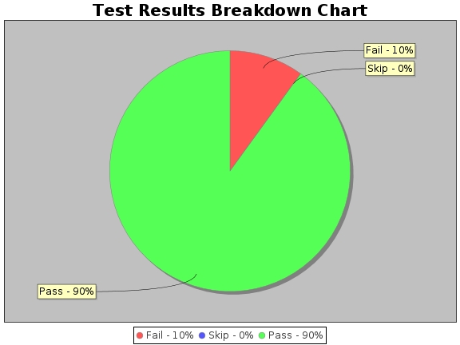
Test Report for REST API TEST RESULT:Web Services
Run ID | 8298
Environment | QA
Phase | Regression
Start Time | Wed Aug 07 06:59:14 EDT 2019
End Time | Wed Aug 07 06:59:21 EDT 2019
Total time taken | 0 mins
Status
Total Test Cases | 10
Total Pass | 9
Total Fail | 1
Total Skip | 0
Modules | [createFalconPosts]
Browsers | []
Tests | Please see Test Cases sheet

